Sheet1
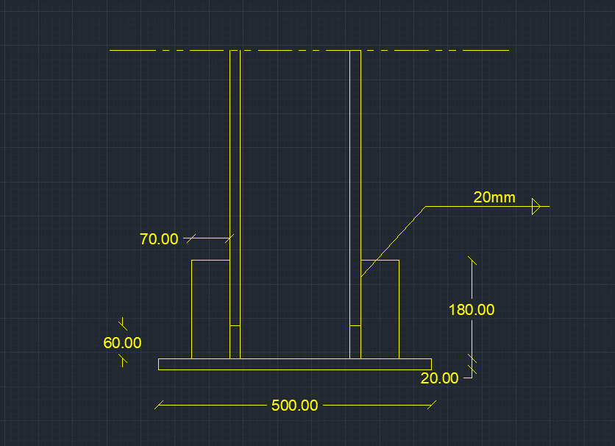
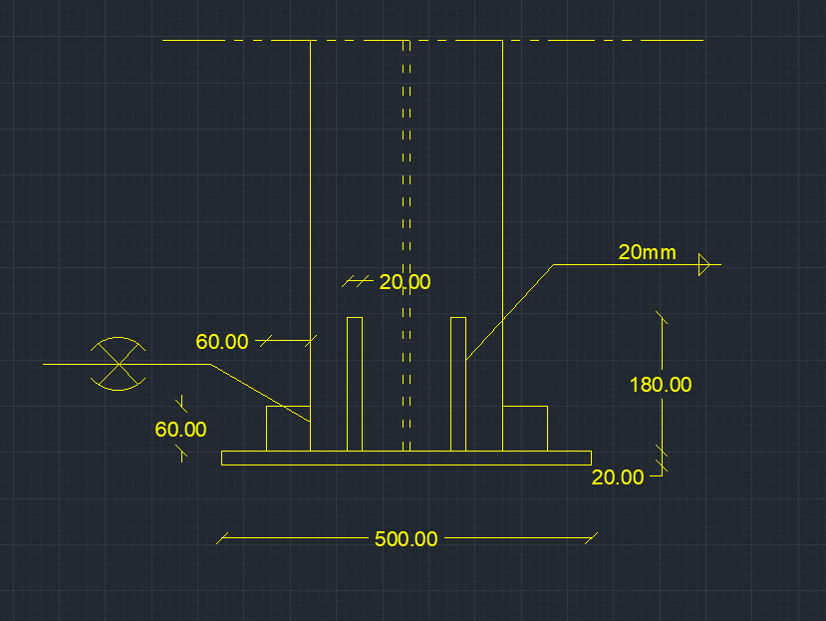
input data |  |  |  | output data |  |  | m direction stiffneres , flanges plan perpendicular stiffeners |  |  | shear bolts threaded bolts

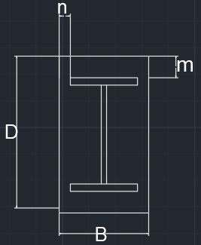
web length | 20 | cm |  | beam depth h | 24 | cm | min stifferer plan length , Lst,min | 6.0717967697 | cm | Area bolt | 2.0106192983 | cm2
web thickness | 1 | cm |  | d (effective depth) | 22.8 | cm | stiffeners height , bst | 18 | cm | Rsh | 9.5705478599 | tons
flange length | 26 | cm |  | b (effective width) | 20.8 | cm | stiffeners thickness min , tst,min | 1.125 | cm | Rbear | 16.9728 | tons
flange thickness | 2 | cm |  | m | 13.6 | cm | stiffener thickness , tst | 2 | cm | R max | 9.5705478599 | tons
D (plate length) | 50 | cm |  | n | 14.6 | cm | stiffener weld thickness | 2 | cm | R max , all bolts | 19.14109572 | tons
B (plate Width) | 50 | cm |  | ………..plate calculations……….. |  |  | stiffener weld length | 36 | cm | bolt length | 30 | cm
N Normal force | 180 | ton |  | plate Area | 2500 | cm2 | Qy applied on stiffeners | 48.96 | ton | safety | safe | cm
Qx | 1 | tons |  | plate section area , A1 | 100 | cm2 | Qy per stiffener | 24.48 | ton
Qy | 12 | tons |  | plate inertia , Ix1 | 33.333333333 | cm4 | qy , shear stress on weld | 0.34 | ton / cm2
Q shear force | 12.041594579 | ton |  | max allowable free length without stiffener | 6.9282032303 | cm | f , normal stress due to bending on weld | 0.74435888313 | ton / cm2 | plate welding
concrete bearing capacity | 77 | kg/cm2 |  | ……………..moment calculations ………………… |  |  | feq , equivalent stress | 0.94914179493 | ton / cm2
tp , plate thickness | 2 | cm |  | Moment /cm , n direction | 7.67376 | ton.cm/cm | stiffeners weld safety | safe |  | Fu,weld | 1.04 | t/cm2
steel yield stress | 3.6 | ton/cm2 |  | Moment /cm , m direction | 6.65856 | ton.cm/cm | stiffeners area , A2 | 40.5 | cm2 | flange weld length | 92.4 | cm
steel ultimate stress | 5.2 | ton/cm2 |  | moment , n direction | 383.688 | ton.cm | stiffeners inertia , Ix2 | 546.75 | cm4 | web weld length | 32 | cm
bolt diameter | 16 | mm |  | moment , m direction | 332.928 | ton.cm |  |  |  | stiffeners to plate weld area | 29.259499326 | cm2
bolts count | 2 | count | stiffeners to plate weld is fixed to minimum weld thickness = 4 mm | …………..stresses calculations…………….. |  |  |  |  |  | FN | 0.79344263976 | t/cm2
flange weld thickness | 2 | cm |  | Applied concrete stress | 0.072 | ton/cm2 | n direction stiffners , web plan perpendicular stiffeners , welded on flages |  |  | FQ | 0.053079525497 | t/cm3
web weld thickness | 0.4 | cm |  | Concrete Bearing safty | safe |  |  |  |  | Feq | 0.79875123203 | t/cm4
stiffeners count , m direction | 2 | stiffenere |  | steal allowable stress 0.72Fy | 2.592 | ton/cm2 | min stifferer plan length , Lst,min | 5.0717967697 | cm | safety | safe
stiffener thickness , m direction | 2 | cm |  | center of gravity , m direction | 5.4751381215 | cm | stiffeners height , bst | 6 | cm
stiffener length , m direction | 18 | cm |  | total inertia , Ix , m direction | 5601.9714549 | cm4 | stiffeners thickness min , tst,min | 0.375 | cm
stiffeners count , n direction | 2 | stiffenere |  | Applied steel stress , m direction | 0.86321989578 | ton/Cm1 | stiffener thickness , tst | 2 | cm
stiffener thickness , n direction | 2 | cm |  | center of gravity , n direction | 1.3302752294 | cm | stiffener weld thickness | 2 | cm
stiffener length , n direction | 6 | cm |  | total inertia , Ix , n direction | 178.94342508 | cm4 | stiffener weld length | 12 | cm
 |  |  |  | Applied steel stress , n direction | 2.1441860735 | ton/Cm2 | Qy applied on stiffeners | 52.56 | ton
 |  |  |  | safety | safe |  | Qy per stiffener | 26.28 | ton
 |  |  |  |  |  |  | qy , shear stress on weld | 1.095 | ton / cm2
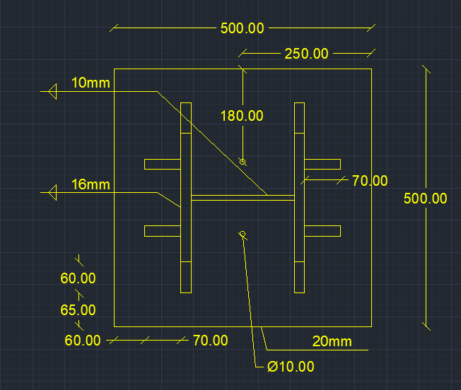
 |  |  |  |  |  |  | f , normal stress due to bending on weld | 10.01275882 | ton / cm2
 |  |  |  |  |  |  | feq , equivalent stress | 10.190800469 | ton / cm2
 |  |  |  |  |  |  | stiffeners weld safety | unsafe
 |  |  |  |  |  |  | stiffeners area , A2 | 4.5 | cm2
 |  |  |  |  |  |  | stiffeners inertia , Ix2 | 6.75 | cm4

